Hoja1
Estado | Acción |  |  |  |  |  |  |  | Ir_A
 | * | , | . | id | select | distinct | from | $ | Q | D | P | A | A1 | A2 | A3 | T | T1 | T2 | T3
0 |  |  |  |  | s2 |  |  |  | 1
1 |  |  |  |  |  |  |  | acc
2 | s6 |  |  | s9 |  | s4 |  |  |  | 3 | 5 | 7 |  | 8
3 |  |  |  |  |  |  | s10
4 | s6 |  |  | s9 |  |  |  |  |  |  | 11 | 7 |  | 8
5 |  |  |  |  |  |  | r2
6 |  |  |  |  |  |  | r3
7 |  |  |  |  |  |  | r4
8 |  | s13 |  |  |  |  | r7 |  |  |  |  |  | 12
9 |  | r10 | s15 |  |  |  | r10 |  |  |  |  |  |  |  | 14
10 |  |  |  | s18 |  |  |  |  |  |  |  |  |  |  |  | 16 |  | 17
11 |  |  |  |  |  |  | r1
12 |  |  |  |  |  |  | r5
13 |  |  |  | s9 |  |  |  |  |  |  |  | 19 |  | 8
14 |  | r8 |  |  |  |  | r8
15 |  |  |  | s20
16 |  |  |  |  |  |  |  | r0
17 |  | s22 |  |  |  |  |  | r13 |  |  |  |  |  |  |  |  | 21
18 |  | r16 |  | s24 |  |  |  | r16 |  |  |  |  |  |  |  |  |  |  | 23
19 |  |  |  |  |  |  | r6
20 |  | r9 |  |  |  |  | r9
21 |  |  |  |  |  |  |  | r11
22 |  |  |  | s18 |  |  |  |  |  |  |  |  |  |  |  | 25 |  | 17
23 |  | r14 |  |  |  |  |  | r14
24 |  | r15 |  |  |  |  |  | r15
25 |  |  |  |  |  |  |  | r12

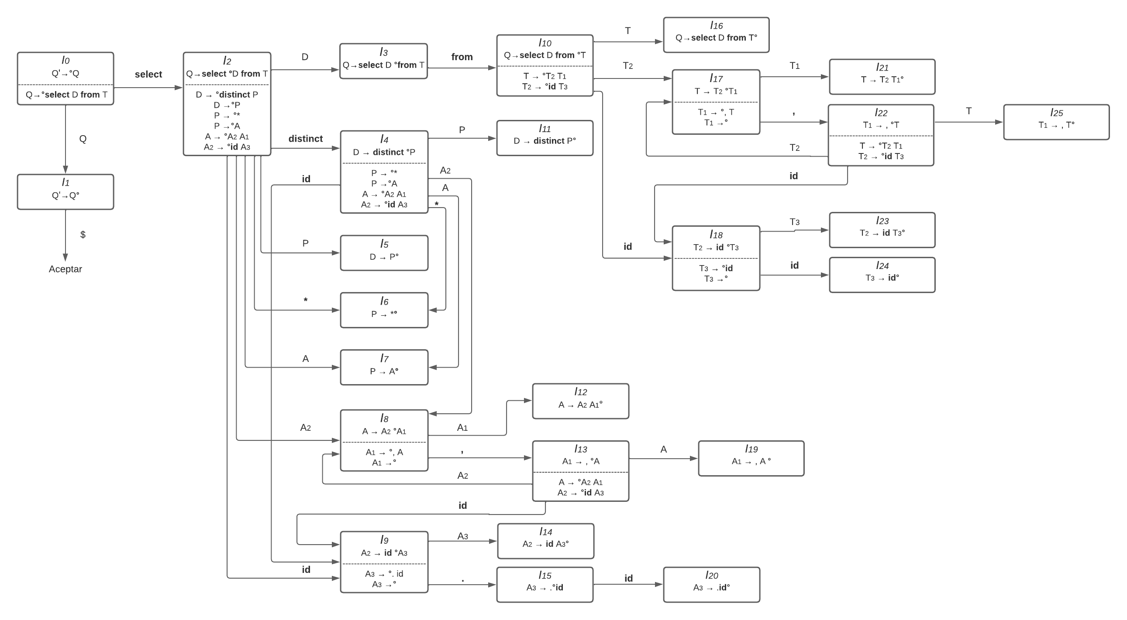

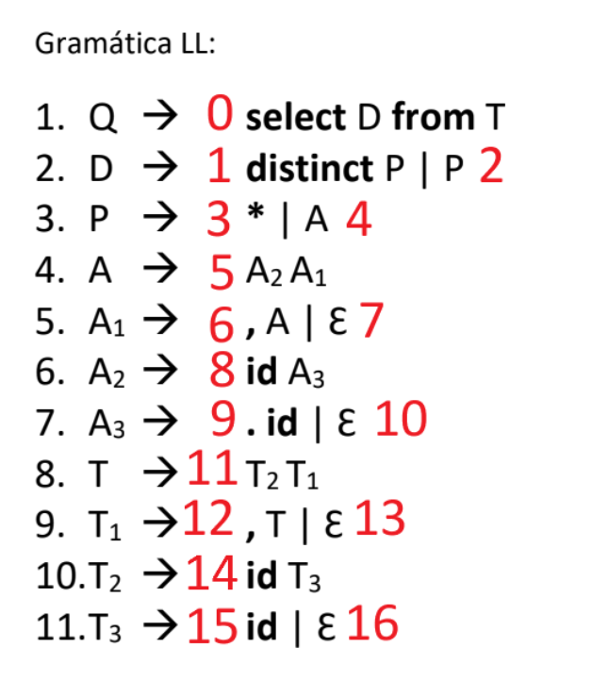

 |  |  |  |  |  |  |  |  |  |  |  |  |  |  |  |  |  |  |  | |

